Sheet1
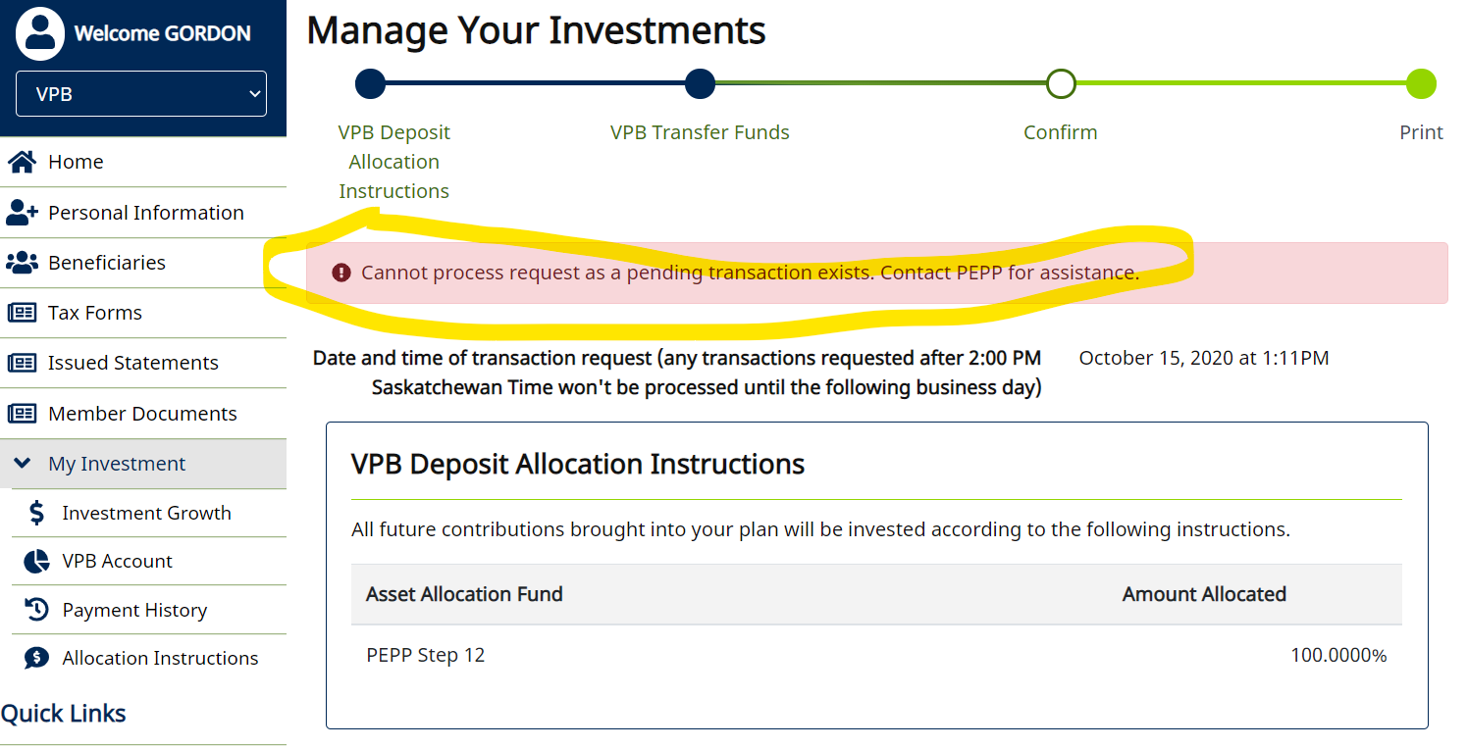
Case ID# | Test scenarios for : | Precondition | Org/Mkey | Step | Test Case Description | Expected Results | Actual Results | Outcome Pass/Fail | Retest Outcome Pass/Fail | Release # | Retest Release # | Test Type | Date Tested | Retest Date | Tested By | Retested By | Test Link | JIRA Ticket # | Comments
E16.22 | E16.22 - Process a interfund transfer the same day as a lump sum payment | Find a member with an account balance that is active or in deferred status |  | 1 | Process a payment through DC Benefit Selection for a partial amount of their account balance | Able to process payment | Able to process payment | Pass |  | 24.2 |  | Functional | 15-Oct-20 |  | Jason Collings
 |  |  |  | 2 | Do not run the PIT batch yet | Did not run PIT batch | Did not run PIT batch | Pass |  | 24.2 |  | Functional | 15-Oct-20 |  | Jason Collings
 |  |  |  | 3 | Process an interfund transfer through Investments on penfax | Able to process interfund transfer | Able to process interfund transfer | Pass |  | 24.2 |  | Functional | 15-Oct-20 |  | Jason Collings
 |  |  |  | 4 | Verify that a validation is thrown that specifies adding the interfund transfer will cancel the payment and/or will not be added due to the pending transaction (the payment) | First payment gets cancelled as a result of the interfund transfer | First payment gets cancelled as a result of the interfund transfer | Pass |  | 24.2 |  | Functional | 15-Oct-20 |  | Jason Collings
 |  | Find a VPB member with an account balance that is active and has a Penweb account |  | 5 | Process a payment through DC Benefit Selection for a partial amount of their account balance | Able to process payment | Able to process payment | Pass |  | 24.2 |  | Functional | 15-Oct-20 |  | Jason Collings
 |  |  |  | 6 | Do not run the PIT batch yet | Did not run PIT batch | Did not run PIT batch | Pass |  | 24.2 |  | Functional | 15-Oct-20 |  | Jason Collings
 |  |  |  | 7 | Process an interfund transfer through Penweb | Able to process interfund transfer | Able to process interfund transfer | Pass |  | 24.2 |  | Functional | 15-Oct-20 |  | Jason Collings
 |  |  |  | 8 | Verify that a validation is thrown that specifies adding the interfund transfer will cancel the payment and/or will not be added due to the pending transaction (the payment) | First payment gets cancelled as a result of the interfund transfer | Error appears; not cancellation, asking member to call PEPP for assistance. We are okay with this. | Pass |  | 24.2 |  | Functional | 15-Oct-20 |  | Jason Collings
 |  | Find a VPB member with an account balance that is active and has a Penweb account |  | 9 | Process a payment through Penweb for a partial amount of their account balance | Able to process payment | Able to process payment | Pass |  | 24.2 |  | Functional | 15-Oct-20 |  | Jason Collings
 |  |  |  | 10 | Do not run the PIT batch yet | Did not run PIT batch | Did not run PIT batch | Pass |  | 24.2 |  | Functional | 15-Oct-20 |  | Jason Collings
 |  |  |  | 11 | Process an interfund transfer through Penweb | Able to process interfund transfer | Able to process interfund transfer | Pass |  | 24.2 |  | Functional | 15-Oct-20 |  | Jason Collings
 |  |  |  | 12 | Verify that a validation is thrown that specifies adding the interfund transfer will cancel the payment and/or will not be added due to the pending transaction (the payment) | First payment gets cancelled as a result of the interfund transfer | Error appears; not cancellation, asking member to call PEPP for assistance. We are okay with this. | Pass |  | 24.2 |  | Functional | 15-Oct-20 |  | Jason Collings

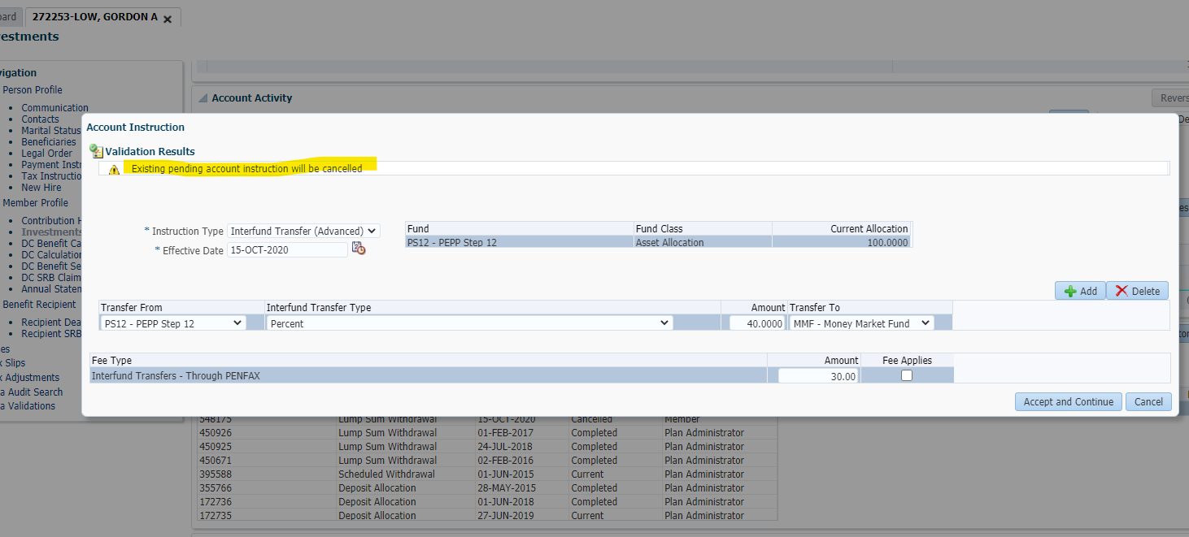
Step 1-4

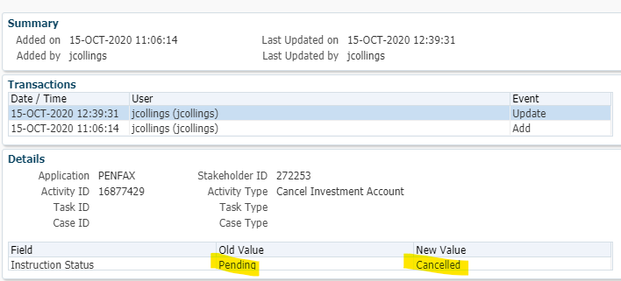

Step 5-8

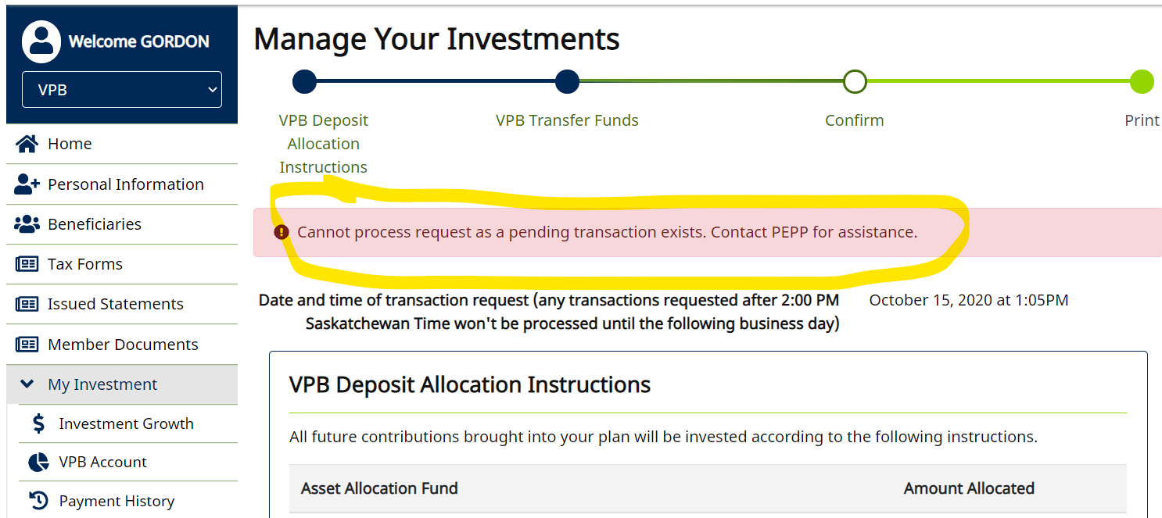

Steps 9-12

